Mock up
Mock up(XD) | https://goo.gl/vVqzXS

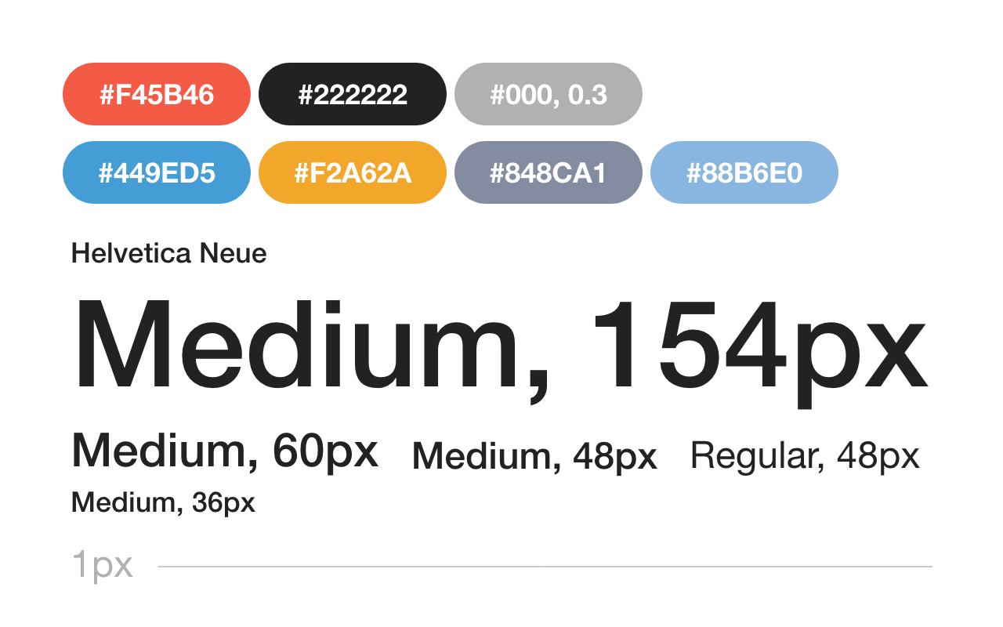
Guideline

Program Specification
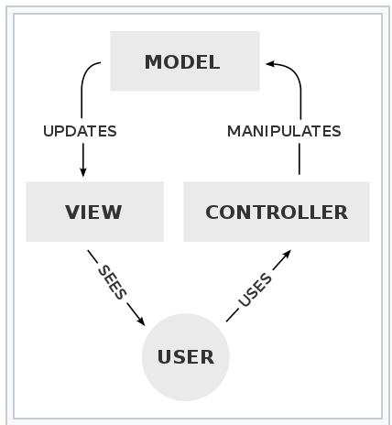
Coding rule
1.Keep following Google java style
2.Write comment by javadoc
3.Follows MVC
*We use Push-MVC, which means Controller class updates
View class from Model class.
Don’t access View class from Model calss directly.
Regisiter Location Page |  | A person in charge | Nobu
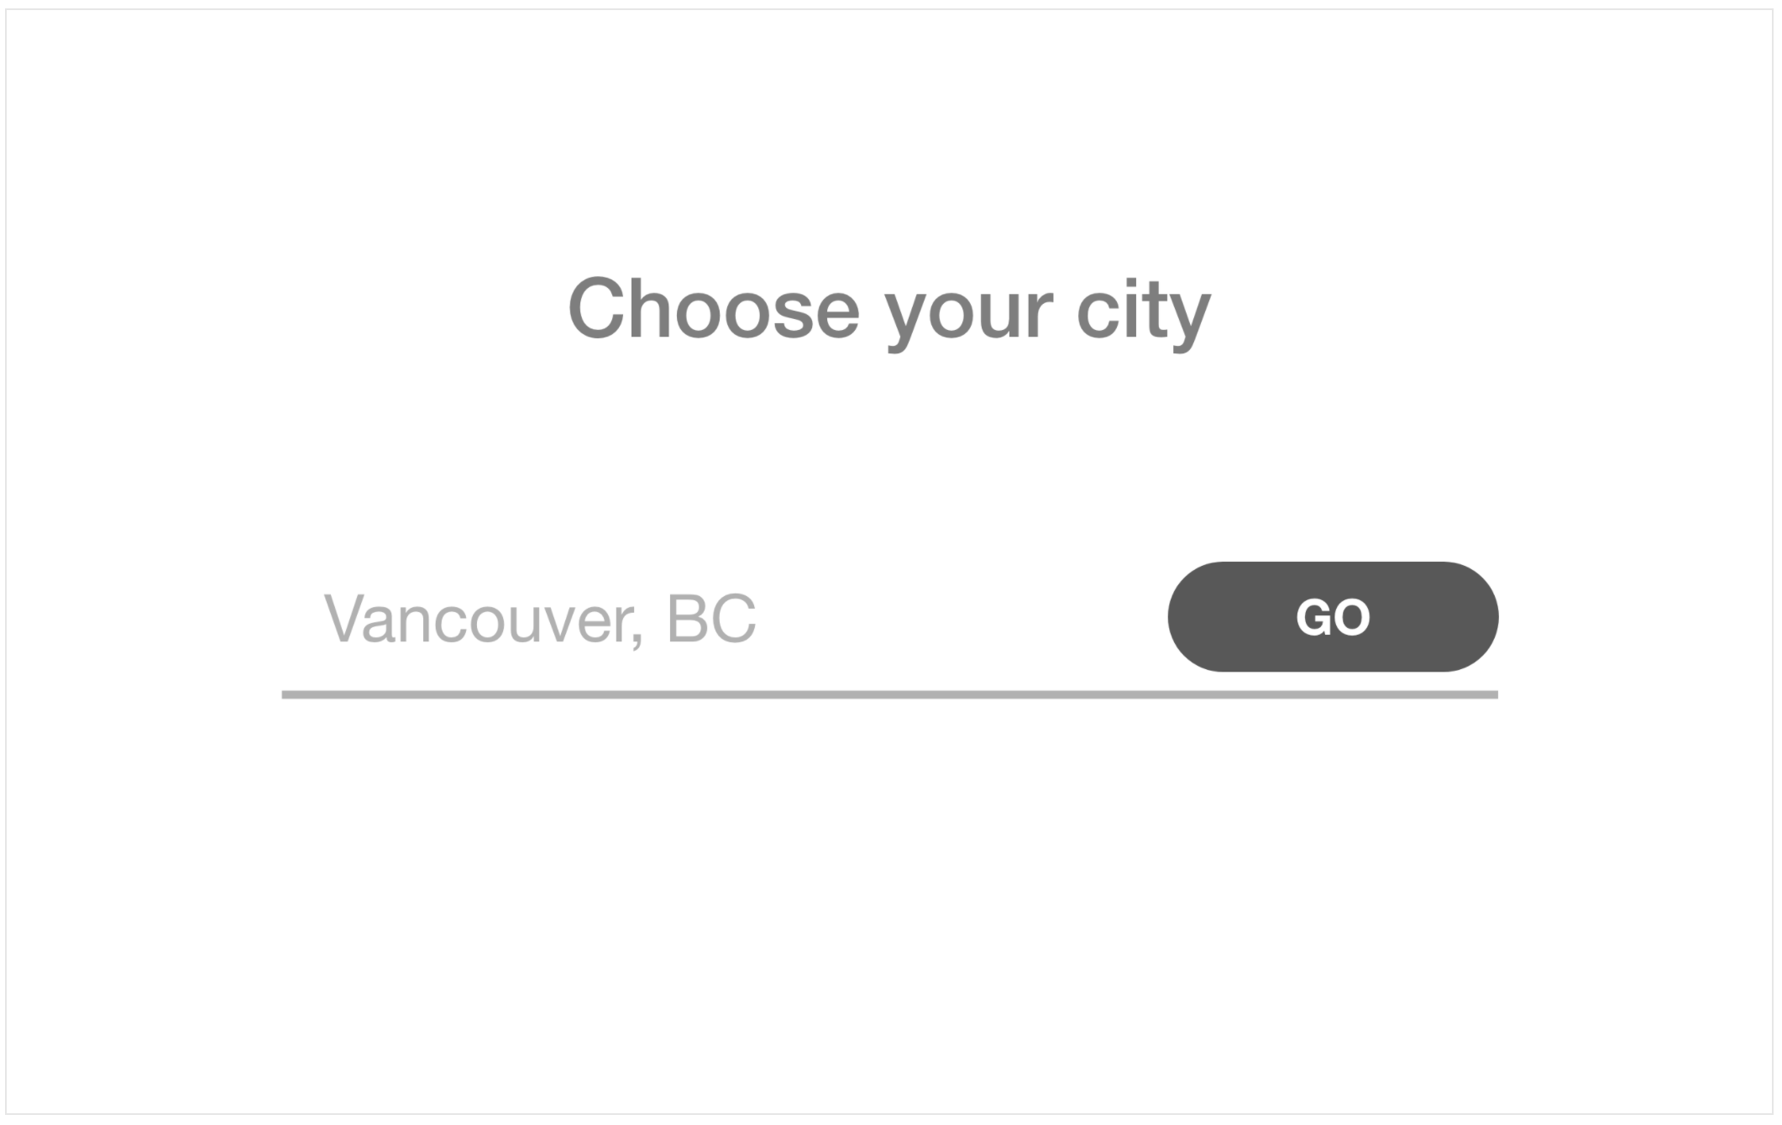
1

3

2

Specification | Function
1.This screen shows when a user starts this APP for the first time. Next time, a user skip this page, otherwise this APP has to read user setting | Make desing@GoodDayView.fxml
 | Create skip function
 | 1.Reads user's setting |  |  |  | Coutry codes
 | 2.If user's setting exists, skips this page and goes Second screen. |  |  |  | Country name | Code
 | Modify getUserSetting@GoodDayModel and Controller class |  |  |  | Poland | PL
2.A user can input city name by keyborad EX)Connects Google Map API and get location dynamically | Make desing@GoodDayView.fxml |  |  |  | Japan | JP
 |  |  |  |  | Brazil | BR
 |  |  |  |  | Mexico | MX
3. Goes to second screen when a user click this GO button. And save user's setting. * We won't use database, so I think we save user's setting as text file in local storage. | Make desing@GoodDayView.fxml |  |  |  | Nigeria | NG
 | Modify setUserSetting@GoodDayModel and Controller class |  |  |  | Korea | KR
 | Changes to Seccond page when a user click the GO button. |  |  |  | Canada | CA
 | It's supposed to search how to change page on JavaFX |  |  |  | United States | US

Weather Information Page |  | A person in charge | Alex,Yuria,Nobu
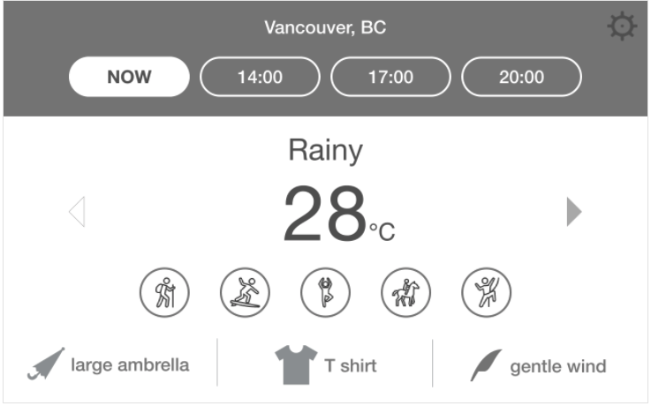
1
2
3
4
4
5
6
7
8

 |  |  |  | name
 |  |  |  | 4 buttons with time
 |  |  |  | time
 |  |  |  | time to API datat
 |  |  |  | get weather data
 |  |  |  | connect data with icon, items, etc
 |  |  |  | activities
 |  |  |  | items
 |  |  |  | wind

Specification | Function
1. Displays city name and obtains it from user's setting | Make desing@GoodDayView.fxml
 | Modify getUserSetting@GoodDayModel and Controller class
2. A user can choose 4 types time(Now - 3 hour later - 6 hour later - 9 hour later) Connects OpenWeatherMapAPI | Make desing@GoodDayView.fxml
 | Modify connectOpenWeatherMapApi@GoodDatModel
 | and Controller class
3. Displays wheather, temperature. Obtains unit of user's setting(Celsius or Fahrenheit) | Make desing@GoodDayView.fxml
 | Modify connectOpenWeatherMapApi@GoodDatModel
 | and Controller class
 | Modify getUserSetting@GoodDayModel and Controller class
4. Changes time | Make desing@GoodDayView.fxml
Switch arrow icons
5. Obtains activities and displays icons dinamically by using category. | Make desing@GoodDayView.fxml
Displays some activitity's icons (0 < activitity's icon < 6) | searchData@GoodDayModel and Controller class
6. Obtains items by using category. | Make desing@GoodDayView.fxml
Displays some item's icons (0 < item icon < 3) | searchData@GoodDayModel and Controller class
7. Obtains wind information | Make desing@GoodDayView.fxml
Displays wind icon (0 < wind icon < 2) | searchData@GoodDayModel and Controller class
8. Setting button. | Make desing@GoodDayView.fxml
Pop up setting page when a user click a button. | Pop up setting page when a user click the button.

Setting page |  | A person in charge | Paulo, Nobu
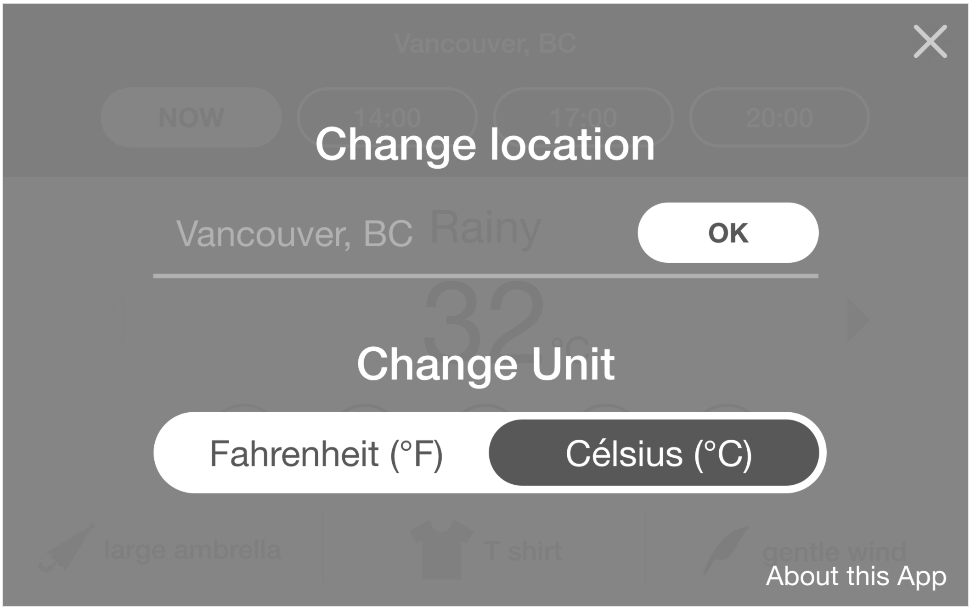
1
2
3
4

Specification | Function
1. Pop up setting page. | Make desing@GoodDayView.fxml
2. A user can change location | Make desing@GoodDayView.fxml Modify setUserSetting@GoodDayModel and Controller class

3. A user can change unit | Make desing@GoodDayView.fxml Modify setUserSetting@GoodDayModel and Controller class

4. Close button | Make desing@GoodDayView.fxml

(UML) Class diagram
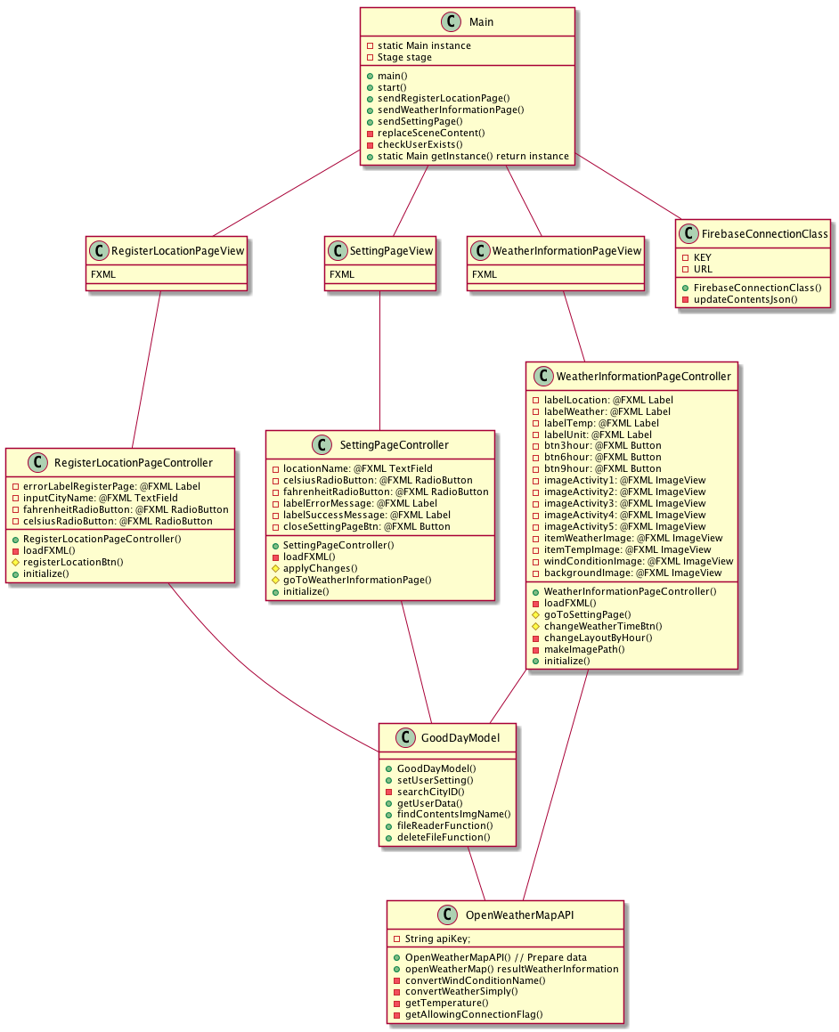

(UML) Use Case Diagram
